Other
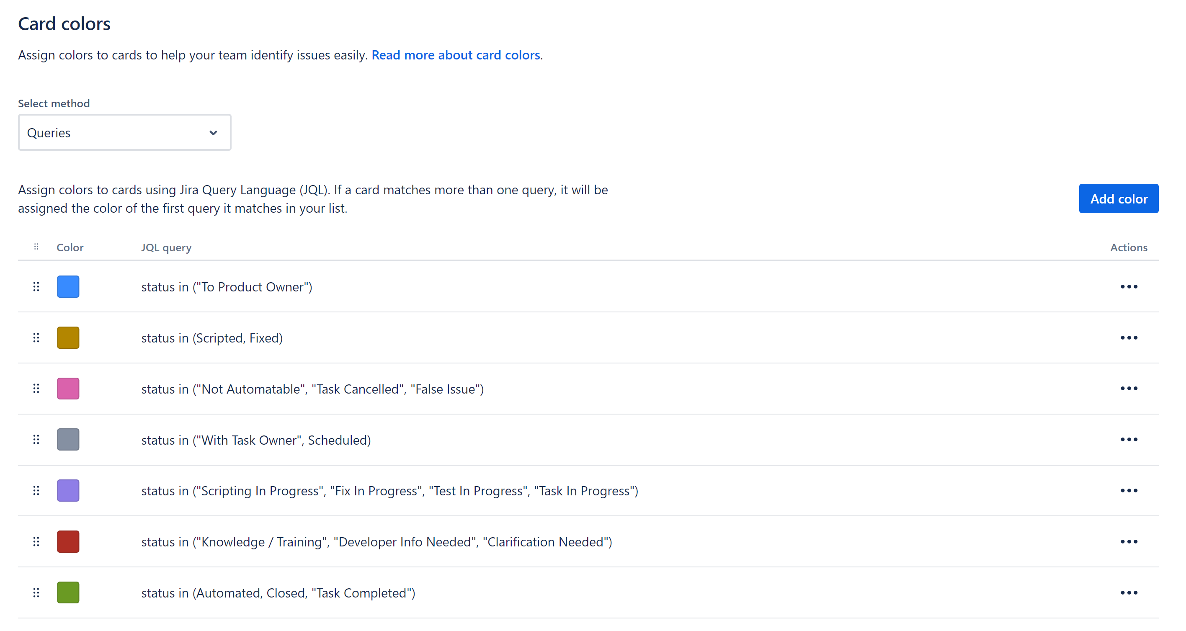
Naming convention for automation JIRA (QAA):
 | <Prefix>: <Description>
 | Prefix:
 | V4-UI-Fix
 | V5-UI-Fix
 | V4-UI-Dev
 | V5-UI-Dev
 | REST-Fix
 | Perf-Fix
 | REST-Dev
 | Perf-Dev
 | LNK4-UI-Fix
 | LNK4-UI-Dev
 | V4-Task
 | V5-Task
 | LNK-Task
 | REST-Task
 | Perf-Task
 | BWP-UI-Dev
 | BWP-UI-Fix
 | BWP-Task
 | General-Task

 | Examples:
 | QAA-104 | V5-UI Fix: Manually Adding Reads: Enter a read in the Account View (30116)
 | QAA-141 | V4-UI Fix: Service Address
 | QAA-128 | REST-Fix: CYCLEBOOK
 | QAA-137 | V5-UI Task: Need to understand : ACTION Module

